Sheet1
Test Cases Assist
Created By: | Cornici Vlad | Reviewed By: | empty | Version | 0.001

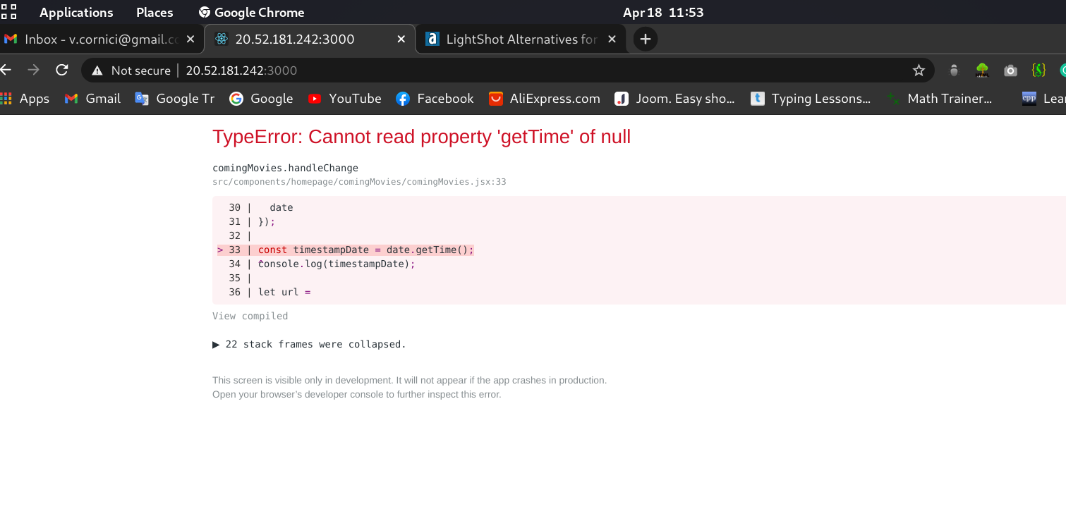
 |  |  |  |  |  |  | Image 1
Test Case 1 |  | Option Checked | Status: (Pass/Fail/Not Executed) |  |  | Behaivior
a) Check Home Page |  | Click on Home Page | Pass
b) Check Add to watchlist functionality |  | Click on the add watch list button | Pass
c) Check “Remove from watchlist” functionalities |  | Click on watch list page and click remove a movie | Pass
d) Check “Coming Next Filter” |  | Select filter Drama from dropdown menu/ filtre work but not display comming movies error detected on input date for movie, image 1 present error | Pass/2
e) Check WatchList page |  | Click on WatchList Page to see movie added | Pass
f) Check “All Movies” Page |  | Click on All Movies Page to see list of movies | Pass
i-> Search functionality |  | Type name of the movie: Zack Snyder's Justice League clear and check for: The Intouchables | Pass
ii-> Filter functionality (Use comedy, action, adventures categories) |  | Select filter Comedy from dropdown menu, select Fantasy | Pass
g) Check Login Functionality |  | Select button login and type email: admin@yahoo.com ,and password: Admin123. | Pass

Test Case 2
a) Check Add movie Functionality |  | Check all inputs for website, dropdown
1 Check if you can add a project with correct data |  | Enter real data from IMDb | Pass |  |  | No response whit failed inputs
2 Check if you can add a movie with incorrect data |  | Enter error data from head! provided year 1000, accepted | Fail |  |  | Complete all fields, year is not logic!
3 Check if the movie was added correctly |  | Check if the information is placed under correct position | Pass |  |  | the relese date is replaced by a number
4 Check if you can edit movie |  | Check if the information is placed under correct position and we can edit it/ | Pass/2 |  |  | my case: Zomby Army Movie-> relese date: -30586297464000 this error whit others
 |  | information is ok, but the relese date is wrong
5 Verify if you can remove a project |  | The added movie is deleted whit succes but not confirmation page presented | Pass

